1. Title Page
Grocery Basket Analysis

Project Name: Grocery Basket Analysis
Date:June 25, 2022
Analyst Name: Kristina Pritchard

Contents:
Population Flow
Consistency checks
Wrangling steps
Column derivations
Visualizations
Recommendations

Data Citation
“The Instacart Online Grocery Shopping Dataset 2017”, Accessed from https://www.instacart.com/datasets/grocery-shopping-2017 on June 3, 2022.

2. Population Flow
Title page

Population flow

Exclusion flag
Condition: max_order < 5,V 'exclusion_flag' = regular -activity customer
max_order >= 5, 'exclusion_flag' = high-activity customer
Obervations to be removed: 1,440,295 observations to be removed due to lower-activity
Final total count of order_products_all: 30,964,564

Orders_products_combined
Orders_products_merged
Orders_products_all

Total: 32,404,859
Total: 32,434,489
Total: 32,404,859

1.) The grey boxes in the first row of the population flow represent the original data sets as they were when you downloaded them. In the Total fields you need to add the count of the rows when you imported the data set into Jupyter.
2.) The second row of boxes (coloured) represents the data sets after you manipulated them, e.g., removed missing values and duplicates. In the Total fields you need to add the count of the rows after conducting these operations. This offers a visual oveview of how the data flows throughout the data consistency checks.
3.) The third row, where also the arrows are coloured, represents the merges you performed between the datasets. In the Total fields you need to add the count of the rows in the merged datasets, so that you end up with the final dataset (in the red box). Keep in mind the final dataset should be without exclusions (based on the exclusion flag).

3. Consistency checks
 |  |  |  | Title page
Consistency checks

Dataset | Missing values | Missing values treatment | Duplicates
orders | days_since_prior_order - missing 206,209 values | Created flag for missing values | 0
products | product_name - missing 16 values | created new dataframe (df_prods_clean) due to inability to replace missing values | 5 duplicates droped from dataframe
orders_products_prior | 0 | N/A | 0
customers | first_name - missing 11,259 values | Missing data left as the column is not of value to the analysis and will be removed at a later point. | 0

4. Wrangling steps
 |  |  |  | Title page
Wrangling steps

Columns dropped | Columns renamed | Columns' type changed | Comment/Reason
eval_set |  |  | Variable not usable for analysis
 | order_dow -> orders_day_of_week |  | Changed for additional clarity
 |  | order_id --> 'str' | Changed from int64 as it doesn't represent real number
 |  | product_name --> 'str' | It was a mixed-type column
 | First Name -> first_name, Surnam -> last_name, Gender -> gender, STATE -> state, Age -> age, n_dependants -> number_of_dependants, fam_status -> family_status |  | Changed all columns to match the format of prepared datafile
 |  | user_id --> 'str' | Changed from int64 as it doesn't represent real number
 |  | first_name --> 'str' | It was a mixed-type column
first_name, last_name |  |  | Dropped due to being personally identifiable information (PII)

5. Column derivations
 |  |  |  | Title page

Column derivations and aggregations

In this tab you should add tables below that the frequences of flags/label variables that you produced after deriving them. NB: don't do this for continuous variables, only for flags.
Dataset | New column | Column/s it was derived from | Conditions
ords_prods_new_variables.pkl | price_range_loc | prices | return 'Low-range product' elif (row['prices'] > 5) and (row['prices'] <= 15): return 'Mid-range product' elif row['prices'] > 15: return 'High range' else: return 'Not enough data'
 | busiest_day | orders_day_of_week | for value in df_merged["orders_day_of_week"]: if value == 0: result.append("Busiest day") elif value == 4: result.append("Least busy") else: result.append("Regularly busy")
 | busiest_days | orders_day_of_week | if value <= 1, Busiest days elif value >= 3 & <=4, Least busiest days else, Regularly busy days
 | busiest_period_of_day | order_hour_of_day | for value in df_merged["order_hour_of_day"]: if value > =9 and value <=16: result_1.append("Most orders") elif value <=6: result_1.append("Fewest orders") else: result_1.append("Average orders")
orders_flags.pkl | loyalty_flag | max_order | ords_prods_merge.loc[ords_prods_merge['max_order'] > 40, 'loyalty_flag'] = 'Loyal customer' ords_prods_merge.loc[(ords_prods_merge['max_order'] <= 40) & (ords_prods_merge['max_order'] > 10), 'loyalty_flag'] = 'Regular customer' ords_prods_merge.loc[ords_prods_merge['max_order'] <= 10, 'loyalty_flag'] = 'New customer
 | spending_flag | mean_prices | ords_prods_merge.loc[ords_prods_merge['spending'] < 10, 'spending_flag']= 'Low spender' ords_prods_merge.loc[ords_prods_merge['spending']>10, 'spending_flag']= 'High spender'
 | order_frequency_flag | median_days_since_order | ords_prods_merge.loc[ords_prods_merge['frequency'] > 20, 'frequency_flag']= 'Non-frequent customer' ords_prods_merge.loc[(ords_prods_merge['frequency'] > 10) & (ords_prods_merge['frequency'] <= 20), 'frequency_flag']= 'Regular customer' ords_prods_merge.loc[ords_prods_merge['frequency'] <= 10, 'frequency_flag']= 'Frequent customer'
 | total_spend | prices | df_secure_high['total_spend']=df_secure_high.groupby(['user_id'])['prices'].transform(np.sum)
final_dataset.pkl | region | state | If-statement with for loops using census classifications to group states into 4 regions
 | exclusion_flag | max_order | df_ord_prods_cust.loc[df_ord_prods_cust['max_order'] < 5, 'exclusion_flag'] = 'Low activity customer' df_ord_prods_cust.loc[df_ord_prods_cust['max_order'] >= 5, 'exclusion_flag'] = 'Normal activity customer'
 | age_groups | age | result_age =[] for value in df_secure['age']: if (value >= 10) and (value <= 25): result_age.append ('Gen Z') elif (value >= 26) and (value <= 41): result_age.append ('Millennials') elif (value >= 42) and (value <= 57): result_age.append ('Gen X') elif (value >= 58) and (value <=67): result_age.append ('Boomers II') elif (value >= 68) and (value <=76): result_age.append ('Boomers I') elif value >77: result_age.append ('Post War') else: result_age.append ('Not enough data')
 | income_group | income | result_income = [] for value in df_secure['income']: if value <= 32048: result_income.append ('Lower class') elif (value >32048) and (value <= 53413): result_income.append ('Lower-middle class') elif (value >53413) and (value <= 106827): result_income.append ('Middle class') elif (value >106827) and (value <= 373894): result_income.append ('Upper-middle class') elif (value > 373894): result_income.append ('Upper class') else: result_income.append ('Not enough data')
 | family_status | number_of_dependants | result_nest=[] for value in df_secure['number_of_dependants']: if value == 0: result_nest.append ('Empty nest') elif value > 0: result_nest.append ('Full nest') else: result_nest.append ('Not enough data')

6. Visualizations
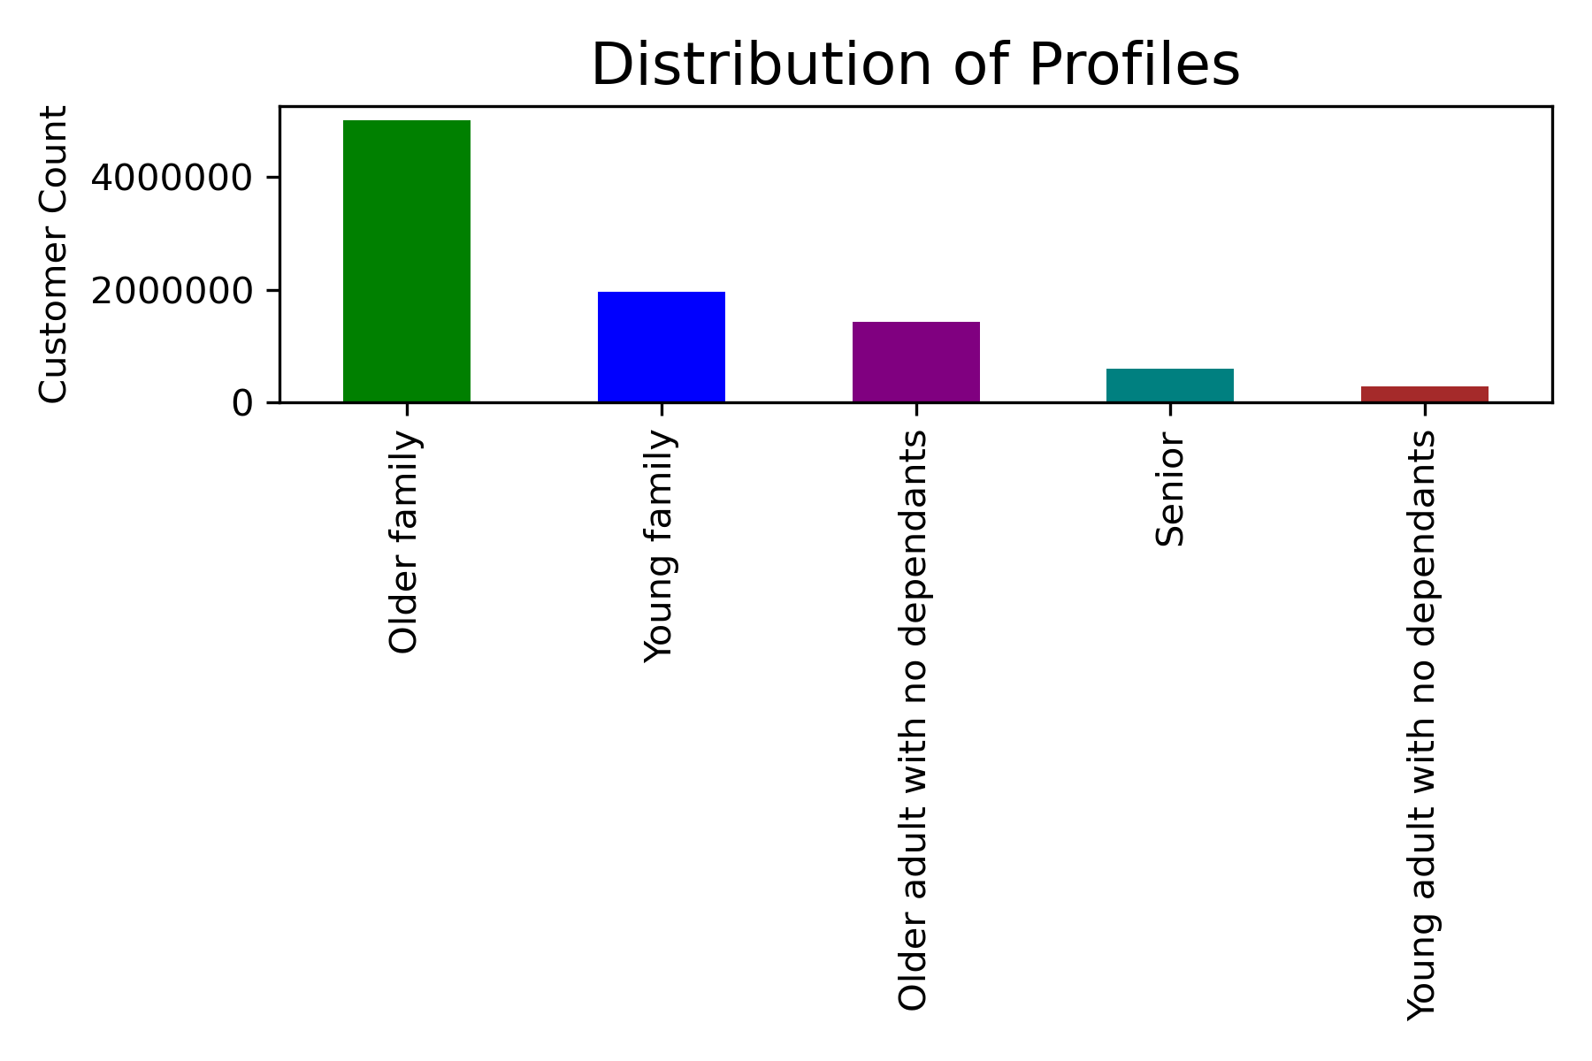
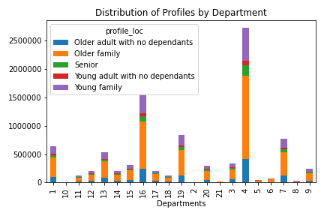
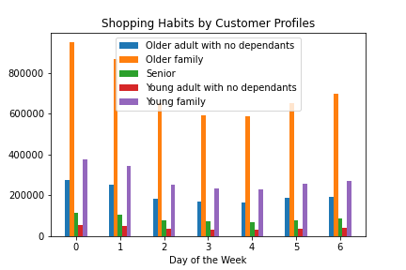
 |  | Title page

Visualisations

In this tab you should include all the visualtions from Exercises 4.9 and 4.10, alongside the questions from the project brief that they answer. Include any commentary on the relationship between different variables.

Key Question 1 | The sales team needs to know what the busiest days of the week and hours of the day are (i.e., the days and times with the most orders) in order to schedule ads at times when there are fewer orders.
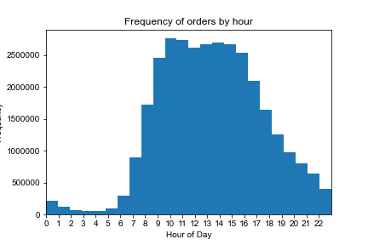
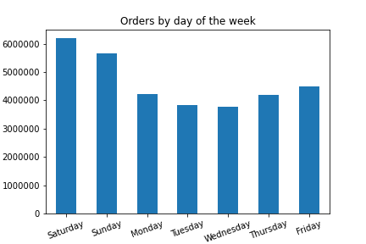

Key Question 2 | They also want to know whether there are particular times of the day when people spend the most money, as this might inform the type of products they advertise at these times.

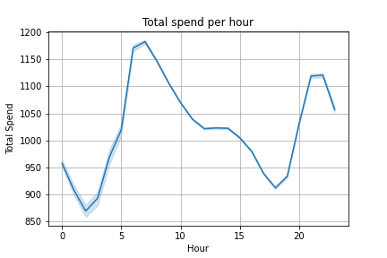
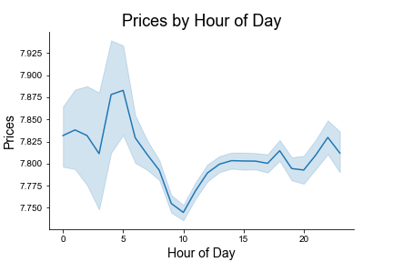

Key Question 3 | Instacart has a lot of products with different price tags. Marketing and sales want to use simpler price range groupings to help direct their efforts.
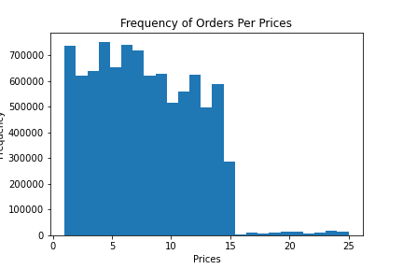
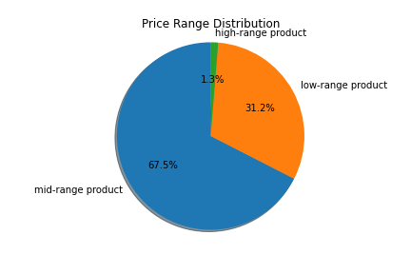
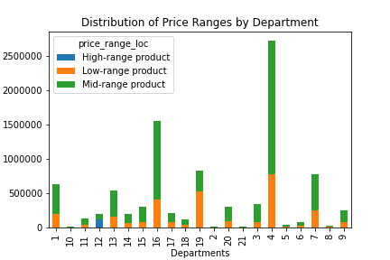

Key Question 4 | Are there certain types of products that are more popular than others? The marketing and sales teams want to know which departments have the highest frequency of product orders.

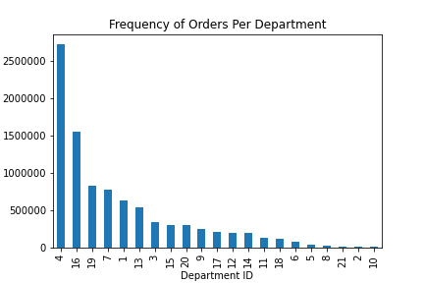

Key Question 5 | What’s the distribution among users in regards to their brand loyalty (i.e., how often do they return to Instacart)?
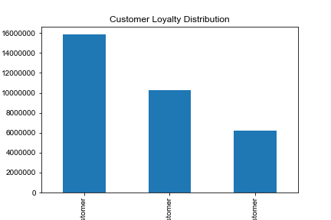
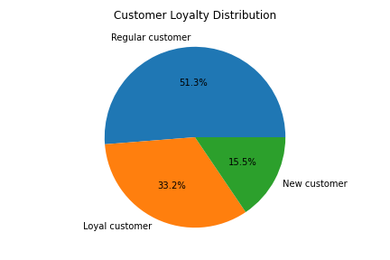
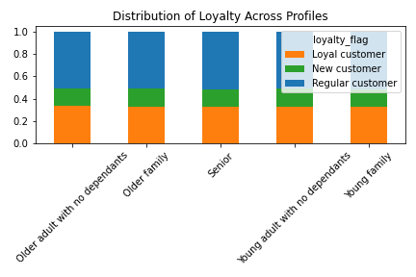

Key Question 6 | Are there differences in ordering habits based on a customer’s loyalty status?

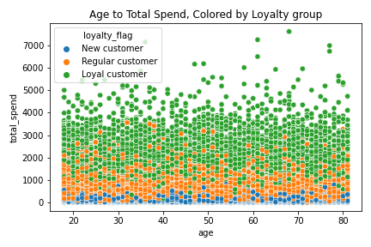
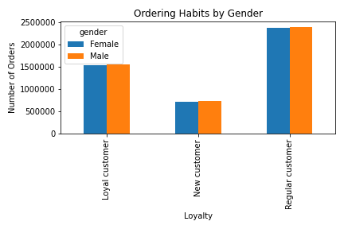

Key Question 7 | Are there differences in ordering habits based on a customer’s region?

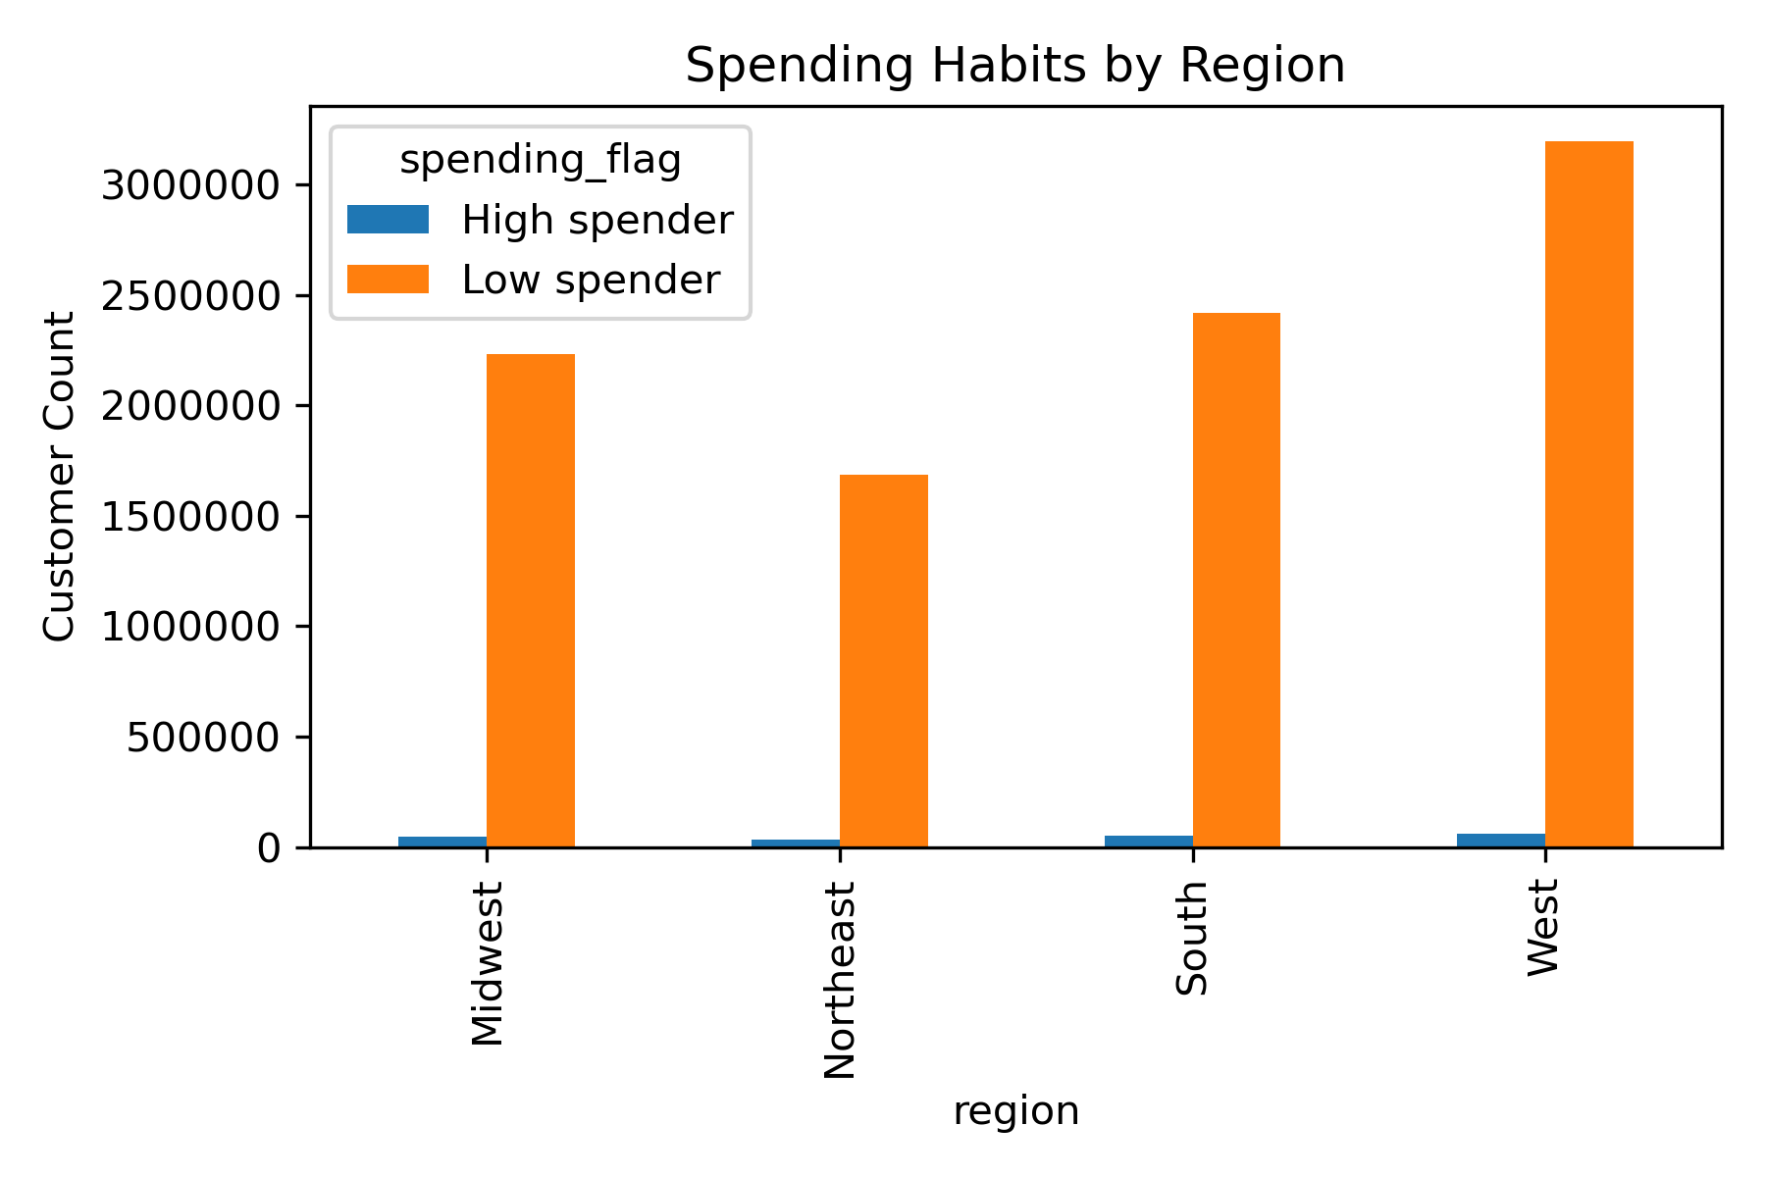
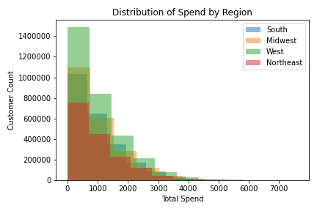

Key Question 8 | Is there a connection between age and family status in terms of ordering habits?

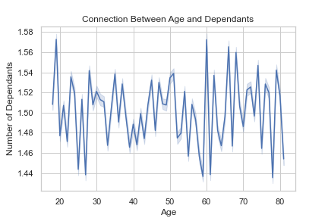
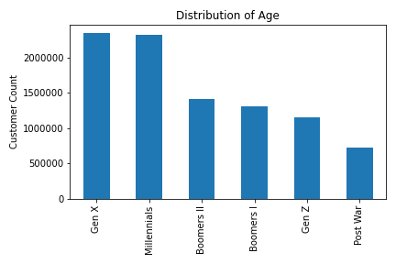
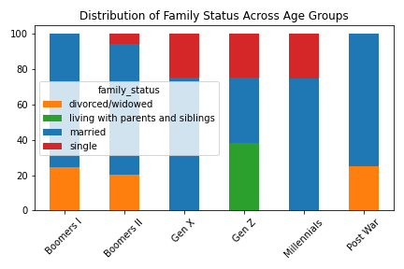
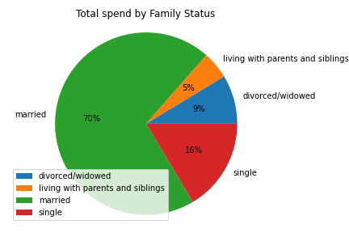

Key Question 9 | What different classifications does the demographic information suggest? Age? Income? Certain types of goods? Family status?

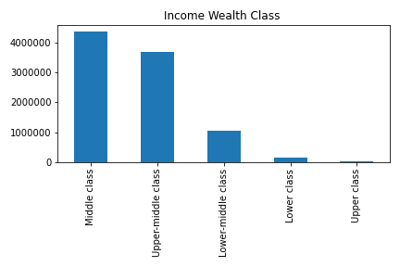
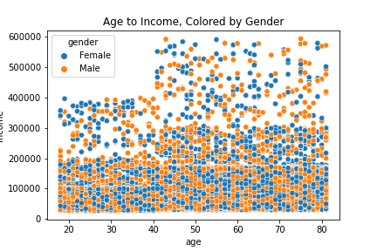

Key Question 10 | What differences can you find in ordering habits of different customer profiles? Consider the price of orders, the frequency of orders, the products customers are ordering, and anything else you can think of.

7. Recommendations
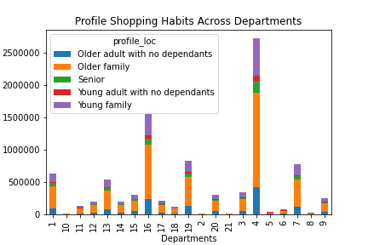
 |  |  |  |  |  |  | Title page

Recommendations

In this tab you should include any recommendations you would made to Instcart in terms of their marketing strategy based on the questions posed in the brief. Every key question has been covered in the Tasks of the Exercises - here you need to add an item - a visualisation or table/crosstable that is showing the answer in the data, acompanied by a comment from you. Please, list the questions below and add the answer underneath.

Question |  | Answer
Key Question 1 | The sales team needs to know what the busiest days of the week and hours of the day are (i.e., the days and times with the most orders) in order to schedule ads at times when there are fewer orders.

 | Saturdays and Sundays are the busiest days of the week for Instacarts online grocery ordering. |  | The busiest hours of the day are between 10AM and 4PM, which are approximately 2.5 times higher than the slowest hours which fall between 1AM and 6AM.

Key Question 2 | They also want to know whether there are particular times of the day when people spend the most money, as this might inform the type of products they advertise at these times.
 | We can see in the Total spend per hour line chart that customers spend the most money during two peak times of the day, from 6-7am and 9-10pm.

Key Question 3 | Instacart has a lot of products with different price tags. Marketing and sales want to use simpler price range groupings to help direct their efforts.
 | The majority of Instacart prices fall in the mid-range price grouping (prices between $6 - $15), followed by the low-range price grouping (prices $5 and under), with very few products falling in the high-range price grouping which is prices over $15. We can see in the bar graph that most high-range products fall in the meats and seafood department.

 |  |  |  | Legend
 |  |  |  | 1 Frozen | 12 Meats/ Seafood
 |  |  |  | 2 Other | 13 Pantry
 |  |  |  | 3 Bakery | 14 Breakfast
 |  |  |  | 4 Produce | 15 Canned Goods
 |  |  |  | 5 Alcohol | 16 Dairy/ Eggs
 |  |  |  | 6 International | 17 Household
 |  |  |  | 7 Beverages | 18 Babies
 |  |  |  | 8 Pets | 19 Snacks
 |  |  |  | 9 Dry goods / Pasta | 20 Deli
 |  |  |  | 10 Bulk | 21 Missing
 |  |  |  | 11 Personal Care

Key Question 4 | Are there certain types of products that are more popular than others? The marketing and sales teams want to know which departments have the highest frequency of product orders.

 | Produce is by far the most popular department followed by dairy/eggs. The least popular departments are bulk and other. We can also see that meat and seafood falls mostly in the high-range price grouping.

 |  | Legend
 |  | 1 Frozen | 12 Meats/ Seafood
 |  | 2 Other | 13 Pantry
 |  | 3 Bakery | 14 Breakfast
 |  | 4 Produce | 15 Canned Goods
 |  | 5 Alcohol | 16 Dairy/ Eggs
 |  | 6 International | 17 Household
 |  | 7 Beverages | 18 Babies
 |  | 8 Pets | 19 Snacks
 |  | 9 Dry goods / Pasta | 20 Deli
 |  | 10 Bulk | 21 Missing
 |  | 11 Personal Care

Key Question 5 | What’s the distribution among users in regards to their brand loyalty (i.e., how often do they return to Instacart)?
 | Half of customers are regular customers ( i.e. have placed between 11-40 orders), 33% are loyal customers (placed over 40 orders) and 15.5% are new customers( placed 10 orders or less). Loyalty does not change across customer profiles.

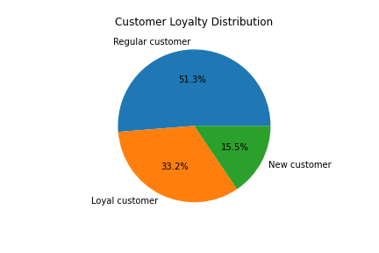

Key Question 6 | Are there differences in ordering habits based on a customer’s loyalty status?
 | As expected we can see that loyal customers have a higher total spend than regular and new customers across all ages. Gender also has little affect on number of orders for each loyalty group with regular customers having the highest number of orders followed by loyal customers and new customers. This is also as expected due to the distribution of customers across each loyalty group.

Key Question 7 | Are there differences in ordering habits based on a customer’s region?
 | We can see that the west has the highest order frequency and total spend, whereas the Northeast has the lowest. Low spenders make up the vast majority of orders for all regions.

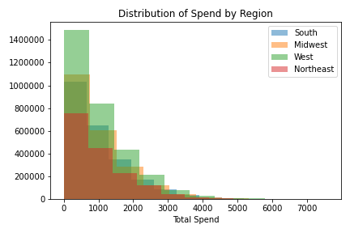
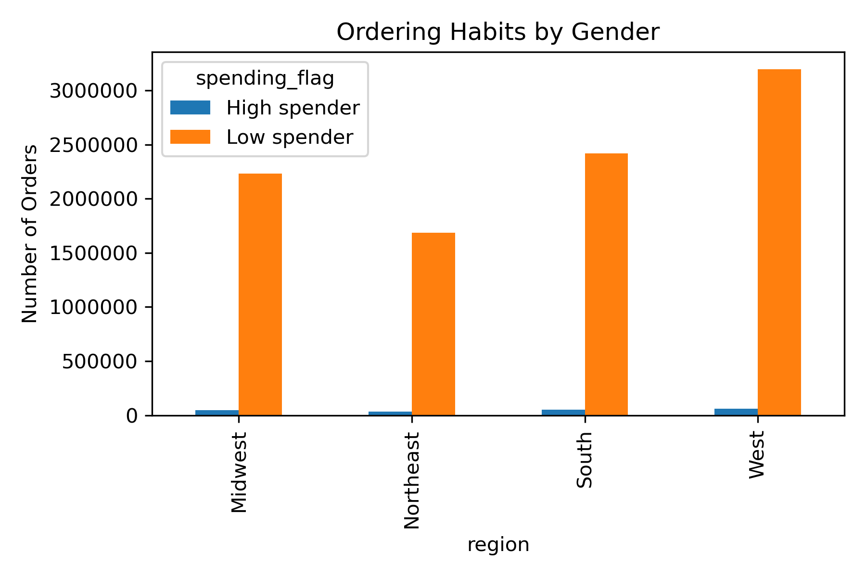

Key Question 8 | Is there a connection between age and family status in terms of ordering habits?
 | There is no connection between age and number of dependants. Gen X (42-57) and Milennials (26-41) make up the highest frequency of customers and consist of only married and single customers. In terms of total spend married customers make up 70% of Instacarts earnings followed by 16% single customers. This shows us that Instacarts highest potential customers are married and between the age of 26-57.

Key Question 9 | What different classifications does the demographic information suggest? Age? Income? Certain types of goods? Family status?
 | Middle and upper-middle class customers make up the majority of Instacarts shoppers leaving potential to attract upper-class customers in order to increase revenue. There is no connection between gender and income levels meaning that there is equal distribution of gender in all wealth classes.

Key Question 10 | What differences can you find in ordering habits of different customer profiles? Consider the price of orders, the frequency of orders, the products customers are ordering, and anything else you can think of.
 | We can see that older families (Parents aged greater than 35) make up the largest group of customers. Customer loyalty is affected very little by the different profiles with all 5 having a very similar distribution of loyal, new and regular customers. Ordering habbits across departments appears to be representative to the distribution of orders across all departments with no department appearing to be more popular than another for each profile. There is also similar mean spend across customers for all profiles.

 |  |  |  |  |  | total_spend
 |  |  |  |  |  | mean
 |  |  |  |  | profile_loc
 |  |  |  |  | Older adult with no dependants | 1047.4613438
 |  |  |  |  | Older family | 1025.7798009
 |  |  |  |  | Senior | 1019.3981978
 |  |  |  |  | Young adult with no dependants | 1005.715269
 |  |  |  |  | Young family | 1039.9428074

